Recommendation
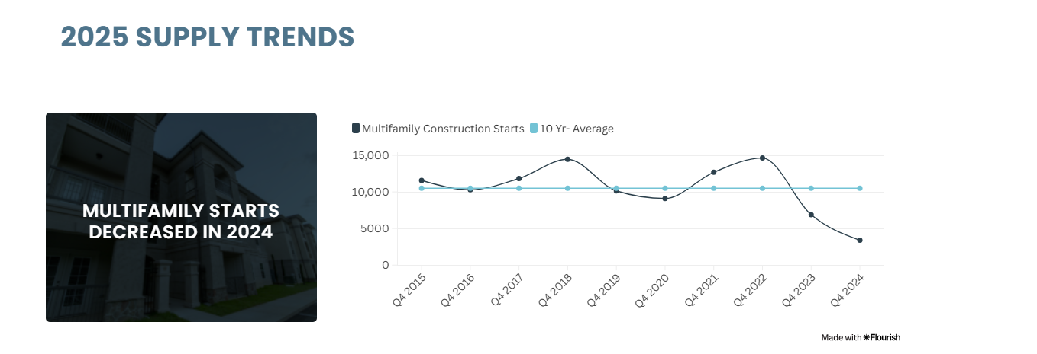
Cap Rates
Cap Rates |  | Vacancy Rates |  | Rent Growth |  | Implied Growth Rate | Sector Growth Rate | Risk-Free Rate
Essex | 5.53% | Seattle | 7.60% | Seattle | 3.23% | 5.54% | -0.57% | 4.47%
Seattle, Class A | 5.55% | National | 7.10% | National | 2.50%
Seattle, Class C | 6%

Summary
Essex Property Trust (ESS) is a recommended buy. Price is trading a a significant discount to it's NAV (0.79), which presents an attractive opportunity. The cap rate is similar to that of other Seattle properties, however the implied growth rate is greater than that of the Seattle market and the nation. It's also strategicially concentrated in the Seattle market, which exhibits favorable rent growth dynamics relative to the national average.

Why Seattle?
Essex's concentration in the Seattle multifamily market is a strategic advantage, especially given the market's supply constraints. The vacancy rate is less than that of the national average, which would mean over time rents would slowly decrease. However given the supply of multifamily housing starts is significantly lower than the 10-year average, this shouldn't have a huge impact on the returns of the REIT. The rent growth in Seattle is also higher than that of the national average, meaning Essex is able to grow rents faster than that of other markets.

The supply shortage and inherent land constyraints means that new construction is difficult and expensive, leading to a tight market over the long-term.

Given Essex's substantional portfolio in Seattle, it is well-positioned to capitalize on these favorable market fundamentals, leading to sustained NOI growth and property value appreciation.

Why Essex?
Essex has a heavier weighting of it's portfolio in the Seattle, Washinginton metro area. As explained above, Seattle has favorable market fundamentals that would add to an investor's portfolio.

Why buy?
Essex Property's shares are currently trading at a Price/Nav of .7935, meaning it's trading at a discount relative to it's assets. The market undervaluing Essex's portfolio creates an entry point fori nvestors to acquire well-managed assets in a supply-constrained market at a discount. As the market begins to price the multifamily properties properly, there is potential for capital appreciation, bring the stock price closer to it's NAV.

The implied cap rate of 5.53% indicates a solid return on the underlying real estate assets at the current valuation. When compared to the Seattle cap rates it is completitve and inline with similar properties. This means at the current discounted price, investors are acquiring a reliable income stream at a favorable yield.

Lastly, the implied growth rate of 5.54% is highly favorable given the historical residential growth rate is -0.57%. This suggests that the market anticipates Essex to significantly outperform the overall residential sector, historically.

Conclusion
Considering Essex Property's shares are trading at nearly a 20% discount to NAV, it's competitive implied cap rate of 5.53%, and it's strong implied growth rate of 5.54%, the company presents a compelling value proposition. This is further bolstered by it's significant exposure to the supply-constrained Seattle multifamily market, which is expected to see stronger rent growth than the national average, despite having a higher vacancy rate than the national average. Investors have an opportunity to acquire a high quality REIT with a proven track record in resilient markets at an attractive valuation, leading to the Buy recommendation.

